List of optical components
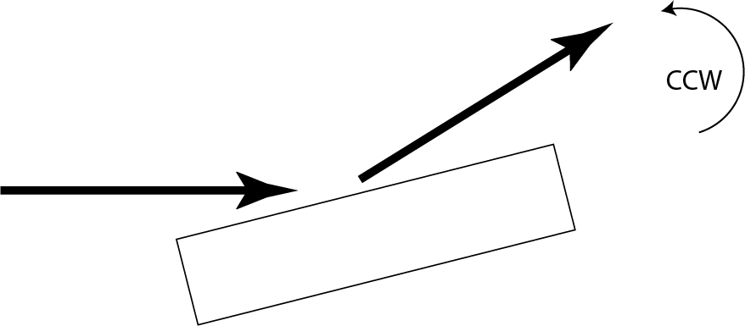
 |  | Convention:
 |  | Z is the nominal X-ray beam propagation direction
 |  | X is horizontal, Y is vertical (+y is up)
 |  | given angles are nominal angle of the optics with respect to the beam incicent on the optics
 |  | X-ray beam polarization vector is along the vertical axis, all angles are around the vertical axis
 |  | Deflection direction corresponds to the directional change of the X-ray beam from bird's eye view.

Component # | Name | Description | Nominal position from source (meters) | Nominal angle | Deflection direction | Optional details | Optical length (mm) | Optical surface width (mm) | Notes
1.1 | MR1L3 | First offset mirror, bendable, convex | 185 | 2.65 mrad | CCW | flat-convex bendable. Depending on the X-ray beam size, curvature will be tuned to guarantee that the whole surface of the MR2L3 is filled | 1000 | 50 | The performance of the 4f-HRM strongly depends on the beam collimation. A careful tuning of this mirror pair is critical. We will have a HHLM between these mirrors and the 4f-HRM. So, the wavefront measurements to check the collimation will be done after the HHLM, so that we will have a chance to "compensate" any effect HHLM could inctroduce due to heat-load. For the first check, it is OK to tune the curvature to their nominal value, however the code should allow us to make necessary corrections once we introduce heat-load deformation effects.
1.2 | MR2L3 | Second offset mirror, bendable concave | 299 | 2.65 mrad | CW | flat-concave bendable. Curvature will be tuned to collimate the beam as good as the geometry allows | 1000 | 50
2.1 | C1 | First crystal of the HHLM | 307 |  | CCW | Layout is given in the 3rd tab called HHLM | 100 | 40 | The information we gain from these simulations will educate us about the heat-load capacity of the HHLM and how much of the defiormation we can "correct" with the mirrors. We assume the incident beam in the dispersive direction (along x) is 2.5 mm (2xFWHM), aperture set by the mirror optical length
2.2 | C2 | Second crystal of the HHLM |  |  | CW |  | 100 | 40
2.3 | C3 | Third crystal of the HHLM |  |  | CCW |  | 100 | 40
2.4 | C4 | Fourth crystal of the HHLM |  |  | CW |  | 100 | 40
3.1 | HRM1 | First crystal of the 4f-HRM | 311 |  | CCW | Layout is given in the 4th tab called HRM | 100 | 40 | Mirror optical length is a fixed value. Other optical lengths and widths are nominal values
3.2 | HRM2 | Second crystal of the 4f-HRM |  |  | CW |  | 100 | 40
4 | HRM-F-1 | First focusing optics in the 4f-HRM | 321 |  |  | This could be a set of CRL or a mirror, TBD. We can start with CRLs
5 | WDS | Wavelength defining slits | 331 |  |  | The opening determines the bandwidth
6 | HRM-F-2 | Second focusing optics in the 4f-HRM | 341 |  |  | This will be the "mirror" image of HRM-F-1. More on this in the HRM tab
7.1 | HRM3 | Third crystal of the 4f-HRM | 351 |  | CW | This will be the "mirror" image of HRM1 and HRM2. More on this in the HRM tab. | 100 | 40
7.2 | HRM4 | Fourth crystal of the 4f-HRM |  |  | CCW |  | 100 | 40

HHLM

 |  |  |  | C2
 |  |  |  |  |  |  | z direction

 |  |  |  |  | C4

 |  |  |  |  |  | Convention:
 |  | C1 |  |  |  | negative asymmetry angle means the incident angle to the crystal surface is smaller than the Bragg angle,
 |  |  |  |  |  | i.e. exit beam is larger than the incident beam (like C1 in the image)
 |  |  | C3
Incident beam size: 2.5 mm (FWHM)

Photon Energy (eV) | Crystal | Si HKL | asymmetry angle (deg) | Deflection direction | relative location in z (mm)
17795 | C1 | 440 | -17 | CCW | 0
 | C2 | 444 | 0 | CW | 40
 | C3 | 444 | 0 | CCW | 290
 | C4 | 440 | 17 | CW | 500

